Chapter 3
 |  |  |  | 3.1.1.1. 2020/2021 season |  |  | (Hierdie beskrywing en anova stem ooreen)
 |  |  |  | In the 2020/2021 season, a randomised split-split plot design was used with three block replicates.
 |  |  |  | The whole plot was the planting dates, the inoculation applied was the sub-plot factor and the fungicides applied was the sub-sub plot factor.
 |  |  |  | Untreated artificially inoculated and naturally infected treatments served as non-protected controls.

Table A3: Split-split plot analysis of variance indicating the effect of several fungicides on Sclerotinia stem rot due to both natural and artificial inoculations on soybeans planted in the 2019/2020 season at two planting dates, 09 November 2019 and 26 November 2019, in Delmas. |  |  |  |  |  |  |  |  |  | In Lab
Sources of variation | Degrees | Sum | Mean Square | F value | Probability (>F) |  |  |  |  |  | Sketch of Rep1
 | of | of
 | freedom | Squares |  |  |  |  |  |  |  | Main | Pdate
Rep | 2 | 146.216 | 73.108 | 0.45 |  |  |  |  |  | Split1 | Inoc=N | Inoc=Y
Planting date | 1 | 2400 | 2400 | 14.775 | 0.062 |  |  |  |  | Split2 | Treatment | Treatment
Error (a) | 2 | 324.872 | 162.436 |  |  |  |  |  |  |  | T1 | T1
Inoculated | 1 | 12053.763 | 12053.763 | 104.383 | 0.001 |  |  |  |  |  | T2 | T2
Planting date:inoculated | 1 | 2457.483 | 2457.483 | 21.281 | 0.01 |  |  |  |  |  | T3 | T3
Error (b) | 4 | 461.905 | 115.476 |  |  |  |  |  |  |  | T4 | T4
Treatment | 7 | 2456.441 | 350.92 | 3.474 | 0.004 |  |  |  |  |  | T5 | T5
Treatment:planting date | 7 | 392.177 | 56.025 | 0.555 | 0.789 |  |  |  |  |  | T6 | T6
Treatment:inoculated | 7 | 2478.72 | 354.103 | 3.506 | 0.003 |  |  |  |  |  | T7 | T7
Treatment:planting date:inoculated | 7 | 380.952 | 54.422 | 0.539 | 0.801 |  |  |  |  |  | T8 | T8
Error (c) | 56 | 5656.122 | 101.002

 | 3.1.1.1. 2019/2020 season
 | In the 2019/2020 season, a randomised split-split plot design was used with three block replicates.
 | The whole plot was the planting dates, the sub-plot was the two cultivars, the sub-sub plot was the inoculation applied (natural or artificial)
 | and the final plot was the fungicides applied(see Addendum Table A1 for an example of trial design followed).
 | An untreated artificially inoculated control was included as the non-protected control.
The planting area was fertilised with a 200 kg/ha mixture of nitrogen, phosphorus and potassium in a 0:2:2 ratio.
During the 2019/2020 season, two soybean cultivars, RA 660 R and P 64 T 39 R, were planted on 09 November 2019 and 26 November 2019.
The plots consisted of four rows, 6 to 8 m in length with an inter row spacing of 0.76 m, planted at a plant density equivalent to 350 000 seeds/ha. Before plant emergence, 60 mL/ha
Is die datums waarop cults geplant is die plant datums Maw cult en Pdatum is gestrengel. Dan kan Pdatum nie uitgehaal word as bron van variasie

 | Table A2: Split-split plot analysis of variance indicating the effect of several fungicides on Sclerotinia stem rot due to both natural and artificial infections on soybeans planted in the 2019/2020 season at two planting dates, 09 November 2019 and 26 November 2019, in Delmas. The two soybean cultivars used in this season were harvested together, and consequently there was a need to combine the other two response variables i.e., Sclerotinia disease incidence and sclerotia incidence of the two cultivars.
 | Sources of variation | Degrees | Sum | Mean Square | F value | Probability (>F)
 |  | of | of |  |  |  |  |  | Vir beskrywing 3.1.1.1.1 2019/2020 moes anova so gelyk het
 |  | freedom | Squares |  |  |  |  |  | Rep
 | Planting date=Rep | 1 | 6267.347 | 6267.347 | 42.554 | 0 |  |  | Pdate
 | Cultivar | 1 | 80.967 | 80.967 | 50.231 | 0.089 |  | Mainplot Err | Rep*Pdate
 | Error (a) | 1 | 1.612 | 1.612 |  |  |  |  | Cult
 | Inoculated | 1 | 31416.673 | 31416.673 | 10.265 | 0.085 |  |  | Cult*Pdate
 | Cultivar:inoculated | 1 | 65.226 | 65.226 | 0.021 | 0.897 |  | Subplot Err | Error(b)
 | Error (b) | 2 | 6121.157 | 3060.578 |  |  |  |  | Inoc
 | Treatment | 8 | 6491.601 | 811.45 | 8.556 | 0 |  |  | Inoc*Pdate
 | Treatment:cultivar | 8 | 600.501 | 75.063 | 0.791 | 0.614 |  |  | Inoc*Cult
 | Treatment:inoculated | 8 | 6395.016 | 799.377 | 8.428 | 0 |  |  | Inoc*Cult*Pdate
 | Treatment:cultivar:inoculated | 8 | 677.993 | 84.749 | 0.894 | 0.533 |  | Sub-subplot err | Error(c
 | Error (c) | 32 | 3035.018 | 94.844 |  |  |  |  | Treatment
 |  |  |  |  |  |  |  |  | Trt*Pdate
 |  |  |  |  |  |  |  |  | Trt*Cult
 |  |  |  |  |  |  |  |  | Trt*Pdate*Cult
 |  |  |  |  |  |  |  |  | Trt*Inoc
 |  |  |  |  |  |  |  |  | Trt*Inoc*Pdate
 |  |  |  |  |  |  |  |  | Trt*Inoc*Cult
 |  |  |  |  |  |  |  |  | Trt*Inoc*Cult*Pdate
 |  |  |  |  |  |  |  |  | Error(d)

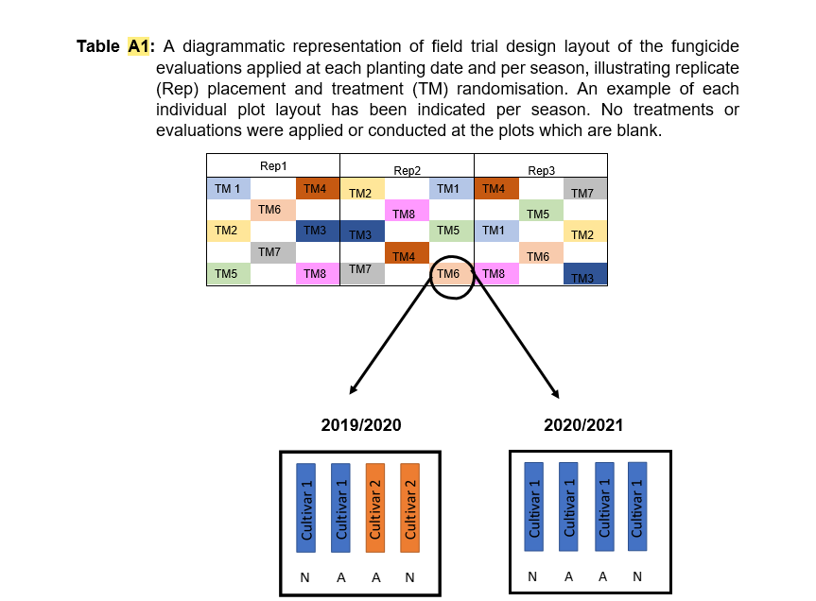

 |  |  |  |  |  |  |  |  |  | Hierdie skets se anova het ek reeds gister in Word dok gegee
 |  |  |  |  |  |  |  |  |  | 15_3_22 Statistical procedure for Table A2 etc

